Sheet1
 | #of Radio Ads | # of TV ads
Variables: | 175 | 10 | <--Dummy #'s to start
 | 3000 | 7000 | <--Coeff for object
A candidate for mayor has allocated $40,000 for last minute advertising in the days preceding the election. Two types of ads will be used: radio and television. Each radio ad costs $200 and reaches an estimated 3000 people. Each television ad costs $500 and reaches an estimated 7000 people. The campaigning mayor would like to reach as many people as possible, but she has stipulated that at least 10 ads of each type be used. Also, the number of radio ads must be at least as great as the number of television ads.
How many ads of each type should be used?
How many people will be reached?
R>=T 1R>=1T
1R-1T>=0
1R+-1T>=0
Objective:(Max)
# of People Reached: | 595,000

 |  |  | (formula)
Contraint table: | ^ | ^ | LHS | Sign | RHS | (LHS formula)
Budget: | 200 | 500 | 40000 | <= | 40000 | =SUMPRODUCT($B$2:$C$2,B12:C12)
At least 10 Radio | 1 |  | 175 | >= | 10 | =SUMPRODUCT($B$2:$C$2,B13:C13)
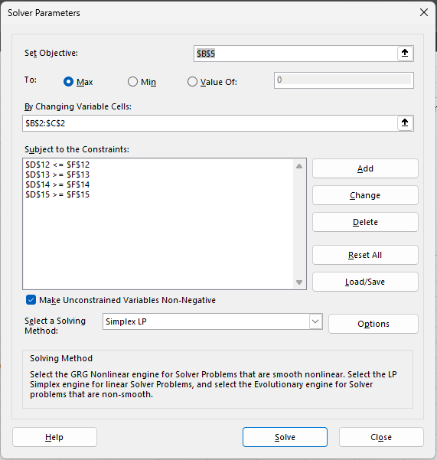
At least 10 TV |  | 1 | 10 | >= | 10 | =SUMPRODUCT($B$2:$C$2,B14:C14)
R>=T | 1 | -1 | 165 | >= | 0 | =SUMPRODUCT($B$2:$C$2,B15:C15)

LHS= Left Hand Side |  |  |  |  |  | Summary Sentence: (written expression of what is shown)
RHS= Right Hand Side |  |  |  |  |  | Purchase 175 Radio ads and 10 TV ads, to reach a maximum of 595,000 people.

Click on the Data tab and then click on Solver. --Set objective to the desired outcome.
--Set the Variable cells (You know what your variable is?)
--Click Add to add your equations.(Did you figure out your equations out yet)
--Once all equations have been added. Then click okay. --Make sure you are using the right Solving Method.
Possible Solution: | 200(r>=10)+500(t>=10)=x<=40000
R = Radio Ads
T = TV Ads
x = # of People Reached:

